Case 2
2. For the network shown in Figure 1, the address 172.16.0.0/20 is assigned. The figure shows the number of hosts in each of the networks. The networks between the routers are consist of two hosts (the addresses of the router interfaces). You must: 2.1.Divide the network into subnets based on the number of hosts in each of the subnets and using a fixed length subnet mask (FLSM). 2.2.Calculate how many addresses are left unused in each of the subnets. 2.3.Optional extra task: perform steps 2.1 to 2.2 using a variable length subnet mask (VLSM)
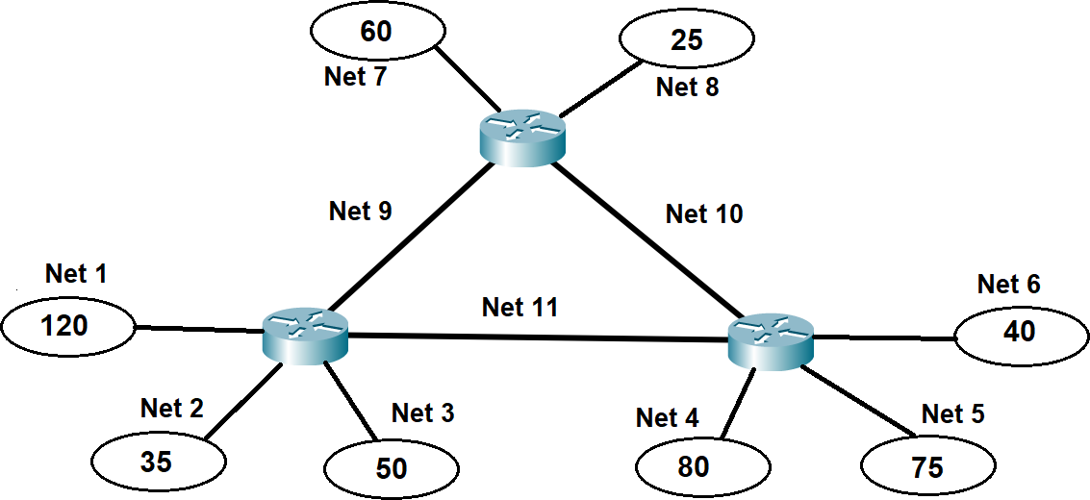

BASIC NET | 1st octet | 2nd octet | 3rd octet | 4th octet
Network Address (decimal) | 172 | 16 | 0 | 0
Mask (decimal) | 255 | 255 | 240 | 0
First available host address (decimal) | 172 | 16 | 0 | 1
Last available host address (decimal) | 172 | 16 | 15 | 254
Broadcast address (decimal) | 172 | 16 | 15 | 255
Available number of addresses for hosts | 4094

FLSM Method
Max Hosts plan in single net | 120
Nets | 11
Mask prefix | /25
Max hosts | 126

NET | Max Hosts | Fact Hosts | Used % | Unused | NET | NET IP RANGE
NET 1 | 126 | 120 | 95% | 6 | 172.16.0.0/25 | 172.16.0.0-172.16.0.127
NET 2 | 126 | 35 | 28% | 91 | 172.16.0.128/25 | 172.16.0.128-172.16.0.254
NET 3 | 126 | 50 | 40% | 76 | 172.16.1.0/25 | 172.16.1.0-172.16.1.127
NET 4 | 126 | 80 | 63% | 46 | 172.16.1.128/25 | 172.16.1.128-172.16.1.254
NET 5 | 126 | 75 | 60% | 51 | 172.16.2.0/25 | 172.16.2.0-172.16.2.127
NET 6 | 126 | 40 | 32% | 86 | 172.16.2.128/25 | 172.16.2.128-172.16.2.254
NET 7 | 126 | 60 | 48% | 66 | 172.16.3.0/25 | 172.16.3.0-172.16.3.127
NET 8 | 126 | 25 | 20% | 101 | 172.16.3.128/25 | 172.16.3.128-172.16.3.254
NET 9 | 126 | 2 | 2% | 124 | 172.16.4.0/25 | 172.16.4.0-172.16.4.127
NET 10 | 126 | 2 | 2% | 124 | 172.16.4.128/25 | 172.16.4.128-172.16.4.254
NET 11 | 126 | 2 | 2% | 124 | 172.16.5.0/25 | 172.16.5.0-172.16.5.127
 | 1386 | 491 | 35% | 895

VLSM Method

NET | Max Hosts | Fact Hosts | Used % | Unused | Mask Prefix | NET | NET IP RANGE
NET 1 | 126 | 120 | 95% | 6 | /25 | 172.16.0.0/25 | 172.16.0.0-172.16.0.127
NET 2 | 62 | 35 | 56% | 27 | /26 | 172.16.0.128/26 | 172.16.0.128-172.16.0.191
NET 3 | 62 | 50 | 81% | 12 | /26 | 172.16.0.192/26 | 172.16.0.192-172.16.0.253
NET 4 | 126 | 80 | 63% | 46 | /25 | 172.16.1.0/25 | 172.16.1.0-172.16.1.127
NET 5 | 126 | 75 | 60% | 51 | /25 | 172.16.1.128/25 | 172.16.1.128-172.16.1.253
NET 6 | 62 | 40 | 65% | 22 | /26 | 172.16.2.0/26 | 172.16.2.0-172.16.2.63
NET 7 | 62 | 60 | 97% | 2 | /26 | 172.16.2.64/26 | 172.16.2.0-172.16.2.127
NET 8 | 30 | 25 | 83% | 5 | /27 | 172.16.2.128/27 | 172.16.2.128-172.16.2.159
NET 9 | 6 | 2 | 33% | 4 | /29 | 172.16.2.160/29 | 172.16.2.160-172.16.2.167
NET 10 | 6 | 2 | 33% | 4 | /29 | 172.16.2.168/29 | 172.16.2.168-172.16.2.175
NET 11 | 6 | 2 | 33% | 4 | /29 | 172.16.2.176/29 | 172.16.2.176-172.16.2.183
 | 674 | 491 | 73% | 183

